ART
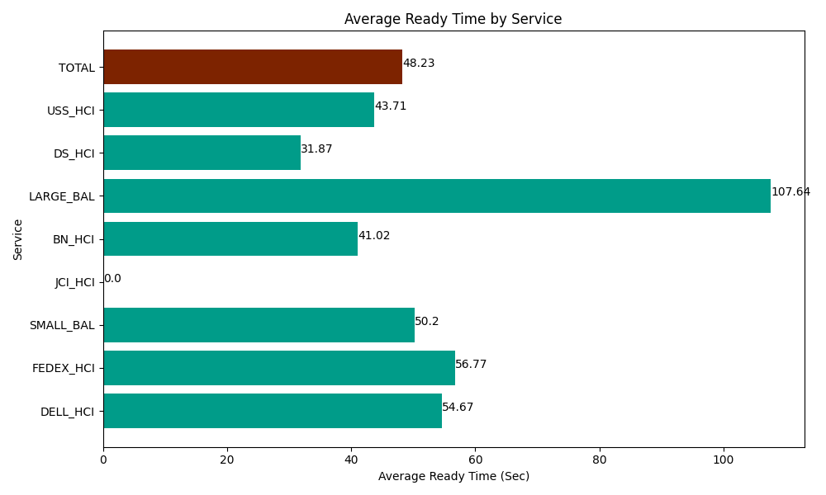
Date | Service | Successful Op Transfer | In Call (Sec) | Ready (Sec) | Wrapup (Sec) | Not Ready (Sec) | Average Ready Time (Sec)
05-17-2024 | DELL_HCI | 79 | 7688.9996338 | 4318.8002014 | 16752.000732 | 5581.1997986 | 54.67
05-17-2024 | FEDEX_HCI | 73 | 6005.9999084 | 4144.1999817 | 5869.1999817 | 10474.200439 | 56.77
05-17-2024 | SMALL_BAL | 248 | 16322.999268 | 12448.799744 | 33337.199707 | 43234.200439 | 50.2
05-17-2024 | JCI_HCI | 0 | 0 | 0 | 0 | 0 | 0
05-17-2024 | BN_HCI | 913 | 50619.001465 | 37455 | 95703.00293 | 40577.999268 | 41.02
05-17-2024 | LARGE_BAL | 5 | 613.20001602 | 538.20001602 | 313.80000114 | 34.199999571 | 107.64
05-17-2024 | DS_HCI | 671 | 44395.799561 | 21383.999634 | 64453.198242 | 77644.196777 | 31.87
05-17-2024 | USS_HCI | 283 | 57710.998535 | 12368.999634 | 42418.198242 | 23602.199707 | 43.71
 | TOTAL | 2272 | 183356.99839 | 92657.99921 | 258846.59984 | 201148.19643 | 48.23

